Table 2
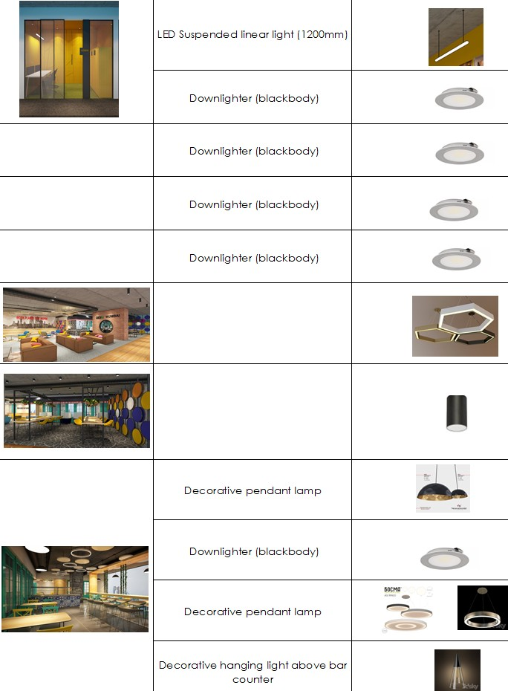
9 | M.Room 4 | Decorative suspended (filament type) | 6 Watt | 1
 |  | Downlighter (white body) | 15 Watt | 9
10 | Admin |  | 29 Watt | 1
 |  |  | 15 Watt | 2
11 | Server |  | 15 Watt | 3
12 | Store rooms |  | 15 watt | 7
13 | Security & Phone booth |  | 15 watt | 4
14 | Amphitheatre/Lounge |  | 30 Watt | 4
15 | Flexi |  | 21 Watt
16 | Cafeteria |  | 12 Watt | 6
 |  |  | 15 Watt | 5
 |  |  | 20 Watt | 6
 |  |  | 4 Watt | 4
17 | Ladies Washroom | Decorative pendant lamp | 4 Watt | 3
 |  | Downlighter (white) |  | 7
18 | Gents Washroom | Decorative pendant lamp | 4 Watt | 3
 |  | Downlighter (white) | 15 Watt | 13
19 | Conference room | Decorative lamp | 12 Watt | 12
 |  | Downlighter (white) | 15 Watt | 14
20 | Makers lab | Decorative pendant lamp (yellow) | 12 Watt | 2
 |  | Surface cylindrical downlighter | 21 Watt | 4
21 | Open dedicated studio 1 | LED Suspended linear light (1200mm) | 29 Watt | 13
 |  | Strip Light
22 | Open studio 2 | LED Suspended linear light (1200mm) | 29 Watt | 33
23 | Womens Room | Decorative pendant lamp (yellow) | 12 Watt | 2
 |  | Downlighter (black/ white body) | 15 Watt | 6
24 | Sleeping pod | Tube light |  | 2
25 | Me space | Strip Light
26 | Open discussion | Downlighter (white body) | 15 Watt | 3
27 | Creche | Downlighter (white body) | 15 Watt | 8
28 | Passage | Surface cylindrical downlighter | 21 Watt | 56

